Service Price List
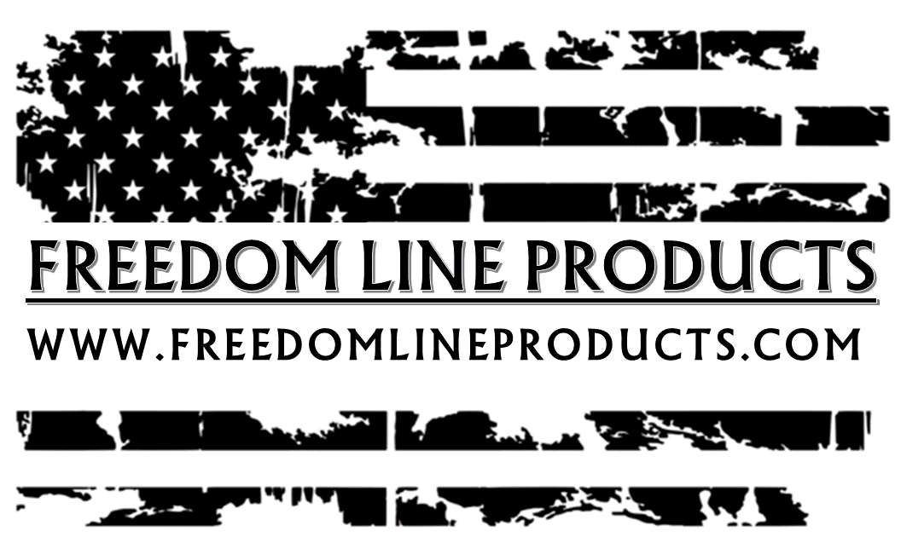
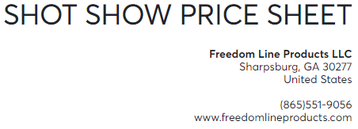

Product | Unit Price (50-100 Quantity) | Unit Price (100 + Quantity) | MAP | MSRP
Freedom Lube CLP 1oz | $2.50 | $2.25 | $4.99 | $6.99

Freedom Lube CLP 2.5oz | $3.50 | $3.25 | $6.99 | $8.99

Precision Oiler Combo Pack | $10 | $10 | $14.99 | $18.99

Freedom Lube Wipes | $10 | $10 | 14.99 | 18.99

T-Shirts (Small - XLarge) | $10 | $9 | N/A | $21.95

T-Shirts (XXL-XXXL) | $12 | $12 | N/A | $23.95

Hoodie Sweat Shirt (Small-XLarge) | $20 | $19 | N/A | $34.95

Hoodie Sweat Shirt (XXLarge) | $22 | $22 | N/A | $39.95

Hoodie Sweat Shirt (XXXLarge) | $24 | $24 | N/A | $42.95

Long Sleave Shirts (Small- Xlarge) | $12 | $12 | N/A | $23.95

Long Sleave Shirts (XXlarge) | $14 | $14 | N/A | $25.95
*** All new dealers will need to provide a ST-5 tax exempt form or their state equivilant before first order ships ***

